Sheet1
Trinity Christian College
312612025 age I of 4
Degree Audit Report
StudentID: A0000048643 Degree: BACHELOR OF ARTS
Name: Essay, Amen Endrias
rogram: Computer Science Advisors
Revision Term: FA-2I College Level: Senior Schmitt, Karl
Cohort: FA2I-FTF
Anticipated Grad Term: S P-25 Expected Commencement Date: May 02, 2025
S P-25 | FDNCC | THEATRE FOR SOCIAL CHANGE | 3.00 |  | COMM27 2 | In P
Crd Completed: 0.00 Crd. Remaining 3.00 Group GPA: 0.00

Computer Science
Min. Credit Req: 120.00 Min. Program GPA: 2.00
Foundations: Computing/Data Analyics
C- Completed MR- Manual Map Remaining TR- Transfer Remaining Inp- In Progress * - Credits Summarized
MC- Manual Map Completed TC- Transfer Completed R- Remaining E - Extra Course NN-Not Necessary
Transferred course grades are not calculated in the GPA.
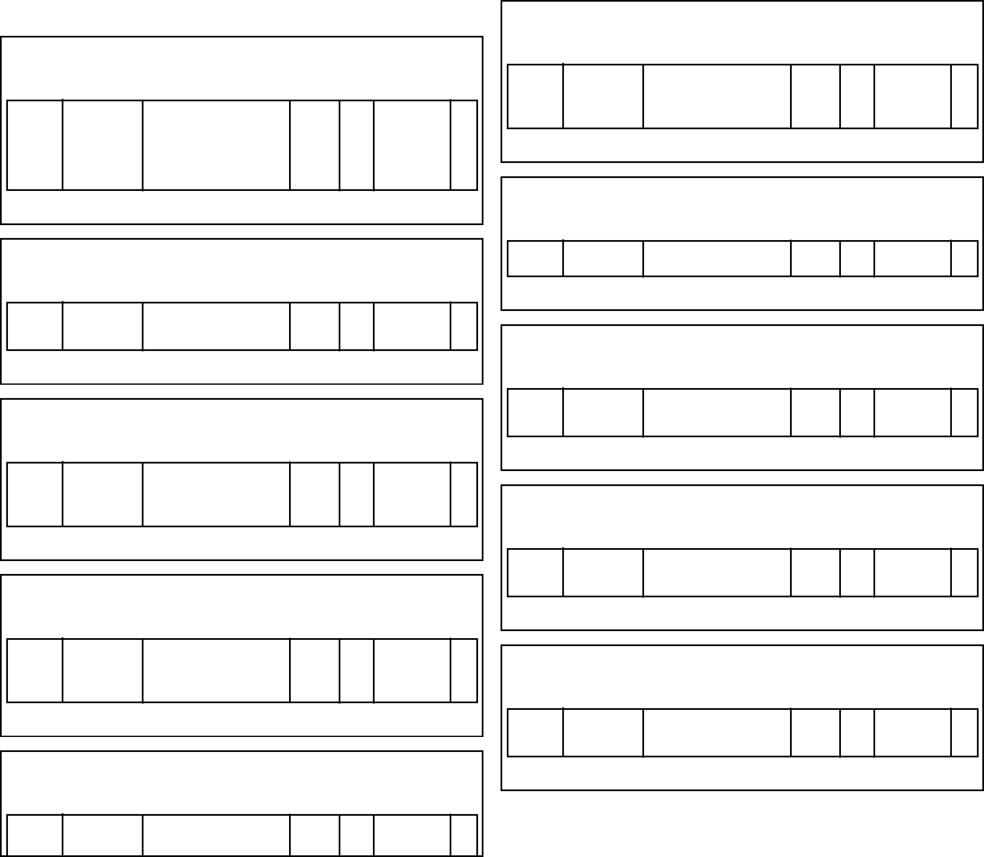

Min. Requirement GPA: 0.70
Min. Credit Req: 46.00
Foundations: Literature and Society
Required
Completed Group GPA: 3.30
Crd Completed: 3.00
Foundations: Oral and Digital Communication
Required
Completed Group GPA: 3.30
Crd Completed: 3.00
Foundations: Thinking and Writing
Required
Completed Group GPA: 4.00
Crd Completed: 3.00
Foundations: Interdisciplinary Inquiry
Required
Completed Group GPA: 4.00
Crd Completed: 3.00
Foundations: World Cultures
Required
Completed Group GPA: 4.00
Crd Completed: 3.00
Min. Credits Req: 3.00 Min. Group GPA: 0.70
FA-22 | PHILI02 | VOCATIONAL DISCERNMENT AND FAITH | 3.00 | A | PHILI02 | C

Min. Credits Req: 0.00 Min. Group GPA: 0.70
S P-22 | SPEDIII | SIGN LANGUAGE | 3.00 | A | SPEDIII | C

Min. Credits Req: 3.00 Min. Group GPA: 0.70
FA-2I | TWII3 | THINKINGAND WRITING IN CODE | 3.00 | A | TWII3 | C

Min. Credits Req: 3.00 Min. Group GPA: 0.70
FA-2I | COMMI05 | ORALAND DIGITAL COMMUNICATION | 3.00 | B+ | COMMI0 5 | C

Min. Credits Req: 3.00 Min. Group GPA: 0.70
FA-22 | ENGLI05 | LITERATUREAND SOCIETY | 3.00 | B+ | ENGLI05 | C

Foundations: Philosophical Perspectives
Required
Completed Group GPA: 3.30
Crd Completed: 3.00
Foundations: Christian Traditions
Required
Completed Group GPA: 3.70
Crd Completed: 3.00
Foundations: Thrive
Required
Completed Group GPA: 4.00
Crd Completed: 4.00
Foundations: Christian Scriptures
Required
Completed Group GPA: 2.30
Crd Completed: 3.00
Min. Credits Req: 4.00 Min. Group GPA: 0.70
FA-2I S P-23 | FDNI0I FDN20I | THRIVE COURAGE, CREATIVITY, AND CALLING | 2.00 2.00 | A A | FDNI0I FDN20I | C C

Min. Credits Req: 3.00 Min. Group GPA: 0.70
FA-2I | THEOI3I | CHRISTIAN SCRIPTURES | 3.00 | C+ | THEOI3I | C

Min. Credits Req: 3.00 Min. Group GPA: 0.70
S P-22 | THEOI32 | THE BODY OF CHRIST AND ITS TRADITIONS | 3.00 | A- | THEOI32 | C

Min. Credits Req: 3.00 Min. Group GPA: 0.70
S P-23 | PHILI0I | PHILOSOPHICAL PERSPECTIVES IN WORLDVIEW | 3.00 | B+ | PHILI0I | C

Required
0.00
NN
Foundations: Chicago Connect
Min. Credits Req: 3.00 Min. Group GPA: 0.70
2I-22 Chicago
Connect
Trinity Christian College
312612025 age 2 of 4
Degree Audit Report
StudentID: A0000048643 Degree: BACHELOR OF ARTS
Name: Essay, Amen Endrias
rogram: Computer Science Advisors
Revision Term: FA-2I College Level: Senior Schmitt, Karl
Cohort: FA2I-FTF
Anticipated Grad Term: S P-25 Expected Commencement Date: May 02, 2025
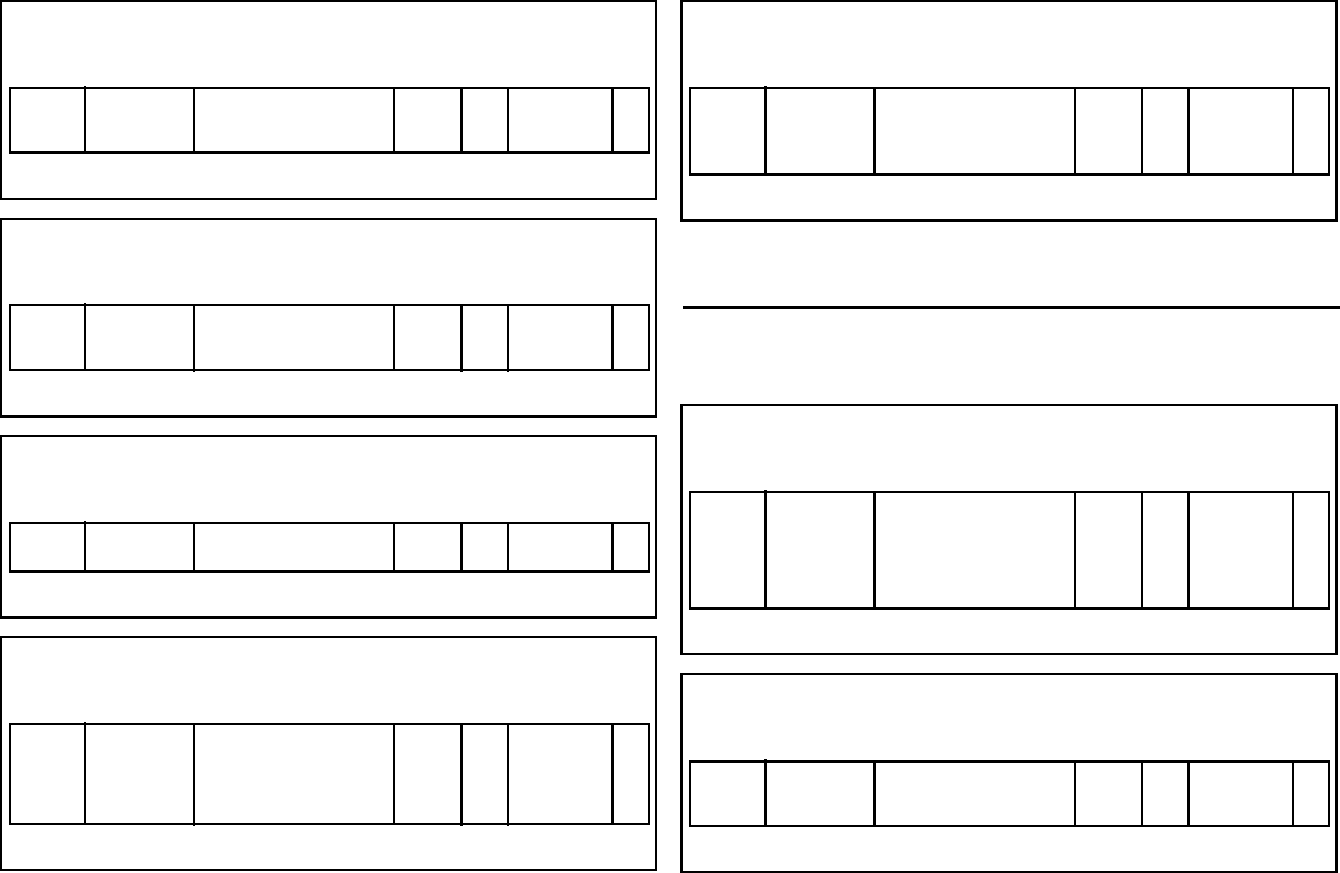

Foundations: Language
Required
Completed Group GPA: 0.00
Crd Completed: 0.00
Min. Credit Req: 50.00
Min. Requirement GPA: 2.00
Foundations: Scientific Thinking
Required
Remaining Group GPA: 0.00
Crd Completed: 0.00
Foundations: Fine Arts
Required
Completed Group GPA: 2.70
Crd Completed: 3.00
Foundations: Historical Consciousness
Required
Completed Group GPA: 2.70
Crd Completed: 3.00
Foundations: Social Science
Required
Completed Group GPA: 4.00
Crd Completed: 3.00
Min. Credits Req: 3.00 Min. Group GPA: 0.70
FA-23 | HISTI05 | HISTORICAL CONSCIOUSNESS | 3.00 | B- | HISTI05 | C

Min. Credits Req: 3.00 Min. Group GPA: 0.70
S P-24 | ECONI2I | MACROECONOMIC S | 3.00 | A | ECONI2 I | C

Min. Credits Req: 3.00 Min. Group GPA: 0.70
FA-24 | MUSCIII | MUSIC IN CONTEXT | 3.00 | B- | MUSCIII | C

Group has Formula Min. Group GPA: 0.70
S P-25 | SCII02 | 2I-22 Science SCIENTIFIC THINKING | 0.00 4.00 |  | SCII02 | NN In P

Requirement Summary
Crd Completed: 39.00 Crd. Remaining: 7.00 Req. GPA: 3.47
Major: Computer Science (BA-Updated)
Major: Computing and Data Core
Required
Completed Group GPA: 3.50
Crd Completed: 6.00
Major: Computing and Data Core 2
Required
Completed Group GPA: 4.00
Crd Completed: 3.00
Min. Credits Req: 6.00 Min. Group GPA: 0.70
FA-2I | CPSCIII | ELEMENTS OF | 3.00 | A | CPSCIII | C
 |  | PROGRAMMING I
FA-22 | C PSC20I | DATA STRUCTURES | 3.00 | B | C PSC20I | C
 |  | AND DATABASES

Min. Credits Req: 3.00 Min. Group GPA: 0.70
FA-2I | TWII3 | THINKINGAND WRITING IN CODE | 3.00 | A | TWII3 | C

Min. Credits Req: 0.00 Min. Group GPA: 0.00
 | FDNLANG | FOREIGN LANGUAGE REQUIREMENT | 0.00 | WV | FORLWV | TC

Foundations: Wellness Required Min. Credits Req: 2.00 Min. Group GPA: 0.70
S P-23 FA-2I | PERKII0 PERKII2 | LIFETIME PHYSICAL WELLNESS LIFETIME NUTRITIONAL WELLNESS | I.00 I.00 | A B+ | PERKII0 PERKII2 | C C
Crd Completed: 2.00 Completed Group GPA: 3.65

Major: Computing and Data Core 3 Required Min. Credits Req: 3.00 Min. Group GPA: 0.70
S P-24 S P-24 | DATAI00 DATAI40 | DATA FUNDAMENTALS BASIC DESIGN PRINCIPES FOR VISUALIZATION | I.50 I.50 | B A | DATAI00 DATAI40 | C C
Crd Completed: 3.00 Completed Group GPA: 3.50

Major: Computing and Data Core 4
Required
Min. Credits Req: I.00 Min. Group GPA: 0.70
C- Completed MR- Manual Map Remaining TR- Transfer Remaining Inp- In Progress * - Credits Summarized
MC- Manual Map Completed TC- Transfer Completed R- Remaining E - Extra Course NN-Not Necessary
Transferred course grades are not calculated in the GPA.
Trinity Christian College
312612025 age 3 of 4
Degree Audit Report
StudentID: A0000048643 Degree: BACHELOR OF ARTS
Name: Essay, Amen Endrias
rogram: Computer Science Advisors
Revision Term: FA-2I College Level: Senior Schmitt, Karl
Cohort: FA2I-FTF
Anticipated Grad Term: S P-25 Expected Commencement Date: May 02, 2025
C- Completed MR- Manual Map Remaining TR- Transfer Remaining Inp- In Progress * - Credits Summarized
MC- Manual Map Completed TC- Transfer Completed R- Remaining E - Extra Course NN-Not Necessary
Transferred course grades are not calculated in the GPA.
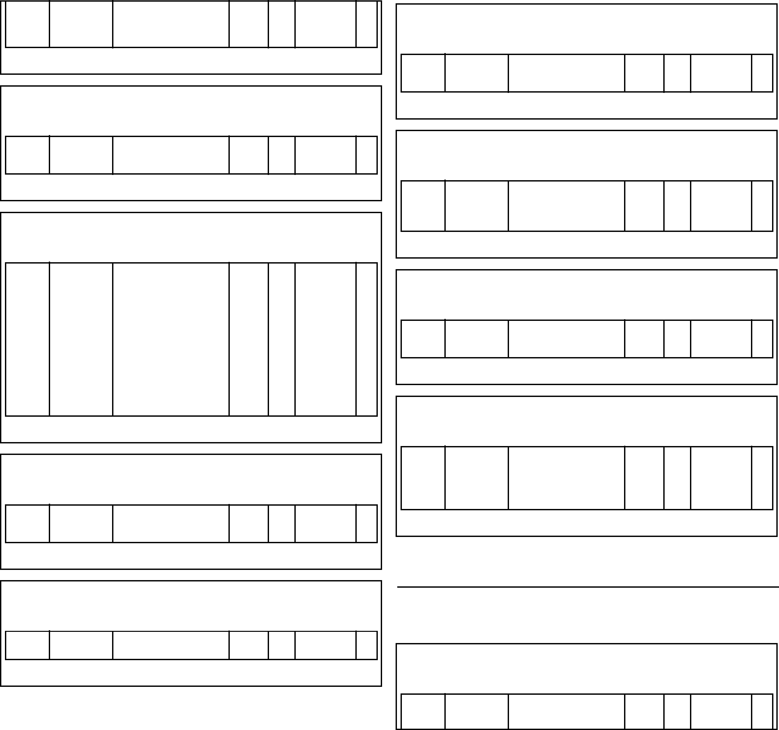

Major: Computing and Data Core 5
Required
Completed Group GPA: 4.00
Crd Completed: 3.00
Min. Requirement GPA: 2.00
Min. Credit Req: 18.00
FA-23 | DATA230 | ETHICAL PRACTICES IN DATA | 2.00 | B | DATA230 | C
Crd Completed: 2.00 Completed Group GPA: 3.00

Major: Computer Science Required Min. Credits Req: I2.00 Min. Group GPA: 0.70
S P-22 | CPSCII2 | ELEMENTS OF | 3.00 | A | CPSCII2 | C
 |  | PROGRAMMING II
FA-24 | C PSC402 | SR DESIGN IN | 3.00 | A | CDA402 | C
 |  | COMP SCI & DATA
 |  | ANALYTICS I
S P-25 | C PSC403 | SR DESIGN IN | 3.00 |  | CDA403 | In
 |  | COMP SCI & DATA |  |  |  | P
 |  | ANALYTICS II
 | C PSC490 | RESEARCH FIELD | 2.00 |  |  | R
 |  | EDUCATION
Crd Completed: 6.00 Crd. Remaining 6.00 Group GPA: 4.00

Major: Computer Science (Math)
Required
Completed Group GPA: 3.70
Crd Completed: 3.00
Required
MATHI5I
S P-22
MATHI5I
STATISTICS
3.00 A-
C
Crd Completed: 3.00
Major: Computer Science (Add~l Math)
Min. Credits Req: 3.00 Min. Group GPA: 0.70
Completed Group GPA: 3.70
Min. Credits Req: 3.00 Min. Group GPA: 0.70
S P-24 | MATHI42 | DISCRETE MATH FOR COMPUTING | 3.00 | A- | MATHI42 | C

Major: Computer Science (CPSC or DATA)
Required
Completed Group GPA: 4.00
Crd Completed: 3.00
Major: Computer Science (CPSC)
Required
Completed Group GPA: 3.70
Crd Completed: 3.00
Major: Computer Science (CPSC, DATA)
Required
Completed Group GPA: 4.00
Crd Completed: 3.00
Major: Computer Science (CPSC 200+)
Required
Completed Group GPA: I.00
Crd Completed: 3.00
Min. Credits Req: 3.00 Min. Group GPA: 0.70
S P-22 | CPSC260 | BUSINESS COMPUTING | 3.00 | A | C PSC260 | C

Min. Credits Req: 3.00 Min. Group GPA: 0.70
S P-23 | CPSC26I | WEB ARCHITECTURE AND DESIGN | 3.00 | D | CPSC26I | C

Min. Credits Req: 3.00 Min. Group GPA: 0.70
S P-23 | CPSC332 | COMPUTING ADMINISTRATION | 3.00 | A- | CPSC332 | C

Min. Credits Req: 3.00 Min. Group GPA: 0.70
FA-23 | DATAI70 | INTRO TO WEB DATA & ANLYTCS FOR SEARCH ENG OPTIMIZATION | 3.00 | A | DATAI70 | C

Requirement Summary
Crd Completed: 41.00 Crd. Remaining: 9.00 Req. GPA: 3.56
Minor: Business
Minor: Business
FA-23
Min. Credits Req: I2.00 Min. Group GPA: 2.00
ACCT22I
FINANCIAL
ACCOUNTING
3.00 B+
Required
ACCT22I
C
Min. Credits Req: 3.00 Min. Group GPA: 0.70
FA-22 | MATHI4I | FINITE MATHEMATICS | 3.00 | A | MATHI4I | C

Trinity Christian College
312612025 age 4 of 4
Degree Audit Report
StudentID: A0000048643 Degree: BACHELOR OF ARTS
Name: Essay, Amen Endrias
rogram: Computer Science Advisors
Revision Term: FA-2I College Level: Senior Schmitt, Karl
Cohort: FA2I-FTF
Anticipated Grad Term: S P-25 Expected Commencement Date: May 02, 2025
FA-23 | BUADI2I | PRINCIPLES OF | 3.00 | A- | BUADI2I | C
 |  | BUSINESS
FA-24 | BUADI3I | PRINCIPLES OF | 3.00 | A | BUADI3I | C
 |  | MARKETING
S P-24 | ECONI2I | MACROECONOMIC | 3.00 | A | ECONI2 | C
 |  | S |  |  | I
Crd Completed: I2.00 Completed Group GPA: 3.75

Requirement Summary
Crd Completed: 18.00 Completed Req. GPA: 3.57
General Electives
S P-25 | BUAD24I | BUSINESS | 3.00 |  | BUAD24I | E
 |  | FINANCE
S P-24 | COO P230 | COOPERATIVE | 3.00 | A- | COO P23 | E
 |  | LEARNING II |  |  | 0
S P-25 | COO P3I0 | COOPERATIVE | 3.00 |  | COOP3I | E
 |  | LEARNING III |  |  | 0
S P-25 | DATA250 | TOPICS IN | 2.00 |  | DATA250 | E
 |  | PROGRAMMING
 |  | FOR DATA
 |  | ANALYTICS:
 |  | POWER BI
S P-23 | DATA250 | TOPICS IN | 2.00 | F | DATA250 | E
 |  | PROGRAMMING
 |  | FOR DATA
 |  | ANALYTICS:
 |  | PYTHON
FA-24 | DATA340 | ADVANCED DATA | 3.00 | A | DATA340 | E
 |  | VISUALIZATION
 | WCWV | WORLD CULTURES | 0.00 | WV | WCWV | E
 |  | WAIVER

Requirement Summary
Minor: Business (choose two) Required
Min. Credits Req: 6.00 Min. Group GPA: 2.00
S P-24 | ACCT222 | MANAGERIAL | 3.00 | A- | ACCT222 | C
 |  | ACCOUNTING
FA-24 | BUAD332 | BUSINESS | 3.00 | B- | DATA260 | C
 |  | ANALYTICS

Crd Completed: 6.00 Completed Group GPA: 3.20
Min. Credit Req: 7.00 | Min. Requirement GPA: 0.70

General Electives Required Min. Credits Req: 7.00 Min. Group GPA: 0.00
FA-23 S P-24 FA-22 | CSEM400 MI MUSCI27 PSYCI2I | MICRO-INTERNSHIP --FIELD EDUCATIONIPROFE SSIONAL SEMINAR PERCUSSION LESSONS I INTRODUCTION TO PSYCHOLOGY | 3.00 I.00 3.00 | A A A- | CSEM40 0MI MUSCI2 7 PSYCI2I | C C C
Crd Completed: 7.00 Completed Group GPA: 3.87

Requirement Summary
Crd Completed: 7.00 Completed Req. GPA: 3.87
Other Courses Taken
rogram Summary
Crd. Completed: 99.00 Crd. Remaining: 21.00 Prog. GPA: 3.52
Transcript GPA: 3.47
Transcript Earned: 105.00
Notes:

NotApplied To Audit
C- Completed MR- Manual Map Remaining TR- Transfer Remaining Inp- In Progress * - Credits Summarized
MC- Manual Map Completed TC- Transfer Completed R- Remaining E - Extra Course NN-Not Necessary
Transferred course grades are not calculated in the GPA.

